Sheet1
t | ϵt | αt | Zt | Dt(1) | Dt(2) | Dt(3) | Dt(4) | Dt(5) | Dt(6) | Dt(7) | Dt(8) | ht(1) | ht(2) | ht(3) | ht(4) | ht(5) | ht(6) | ht(7) | ht(8)
1 | 0.2500 | 0.5493 | 0.8660 | 0.1250 | 0.1250 | 0.1250 | 0.1250 | 0.1250 | 0.1250 | 0.1250 | 0.1250 | 1 | 1 | -1 | -1 | -1 | -1 | -1 | -1
2 | 0.1667 | 0.8047 | 0.7454 | 0.0833 | 0.0833 | 0.0833 | 0.0833 | 0.2500 | 0.2500 | 0.0833 | 0.0833 | -1 | -1 | -1 | -1 | 1 | 1 | -1 | -1
3 | 0.1000 | 1.0986 | 0.6000 | 0.2500 | 0.2500 | 0.0500 | 0.0500 | 0.1500 | 0.1500 | 0.0500 | 0.0500 | 1 | 1 | -1 | -1 | 1 | 1 | 1 | 1
 |  |  |  |  |  |  |  |  |  |  | True Label | 1 | 1 | -1 | -1 | 1 | 1 | -1 | -1
 |  |  |  |  |  |  |  |  |  |  | H(x) value | 0.8432 | 0.8432 | -2.4526 | -2.4526 | 1.3540 | 1.3540 | -0.2554 | -0.2554
 |  |  |  |  |  |  |  |  |  |  | Final prediction | 1 | 1 | -1 | -1 | 1 | 1 | -1 | -1
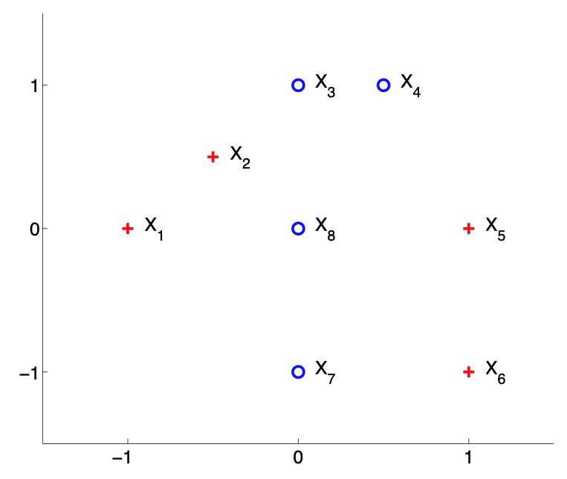
t=1
-0.1

 |  |  |  |  |  |  |  |  |  |  | t | h(1)!=True Label? | h(2)!=True Label? | h(3)!=True Label? | h(4)!=True Label? | h(5)!=True Label? | h(6)!=True Label? | h(7)!=True Label? | h(8)!=True Label?
 |  |  |  |  |  |  |  |  |  |  | 1 | 0 | 0 | 0 | 0 | 1 | 1 | 0 | 0
 |  |  |  |  |  |  |  |  |  |  | 2 | 1 | 1 | 0 | 0 | 0 | 0 | 0 | 0
 |  |  |  |  |  |  |  |  |  |  | 3 | 0 | 0 | 0 | 0 | 0 | 0 | 1 | 1

 |  |  |  |  |  |  |  |  |  |  | t | ϵ
 |  |  |  |  |  |  |  |  |  |  | 1 | 0 | 0 | 0 | 0 | 0.125 | 0.125 | 0 | 0
 |  |  |  |  |  |  |  |  |  |  | 2 | 0.083333333333 | 0.083333333333 | 0 | 0 | 0 | 0 | 0 | 0
 |  |  |  |  |  |  |  |  |  |  | 3 | 0 | 0 | 0 | 0 | 0 | 0 | 0.05 | 0.05

 |  |  |  |  |  |  |  |  |  |  | t | Z
 |  |  |  |  |  |  |  |  |  |  | 1 | 0.072168783649 | 0.072168783649 | 0.072168783649 | 0.072168783649 | 0.21650635095 | 0.21650635095 | 0.072168783649 | 0.072168783649
 |  |  |  |  |  |  |  |  |  |  | 2 | 0.18633899812 | 0.18633899812 | 0.037267799625 | 0.037267799625 | 0.11180339887 | 0.11180339887 | 0.037267799625 | 0.037267799625
 |  |  |  |  |  |  |  |  |  |  | 3 | 0.083333333333 | 0.083333333333 | 0.016666666667 | 0.016666666667 | 0.05 | 0.05 | 0.15 | 0.15

t=2
0.9
t=3
0.9

